Copper_Input
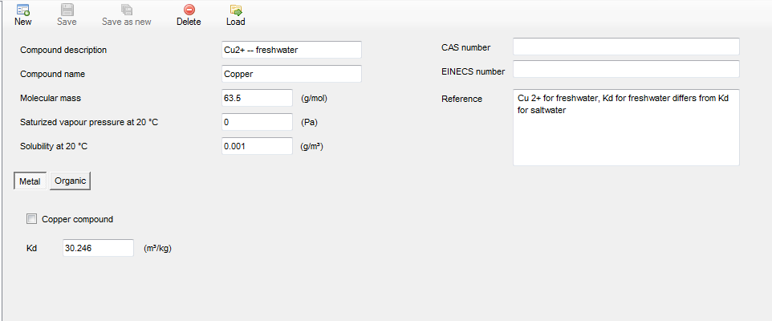
Environmental Emission Scenarios for Product Type 21: Biocides used as antifouling products
Freshwater calculator tool
Active Substance Parameters

Compound Name | Copper

Thiocyanate_Input
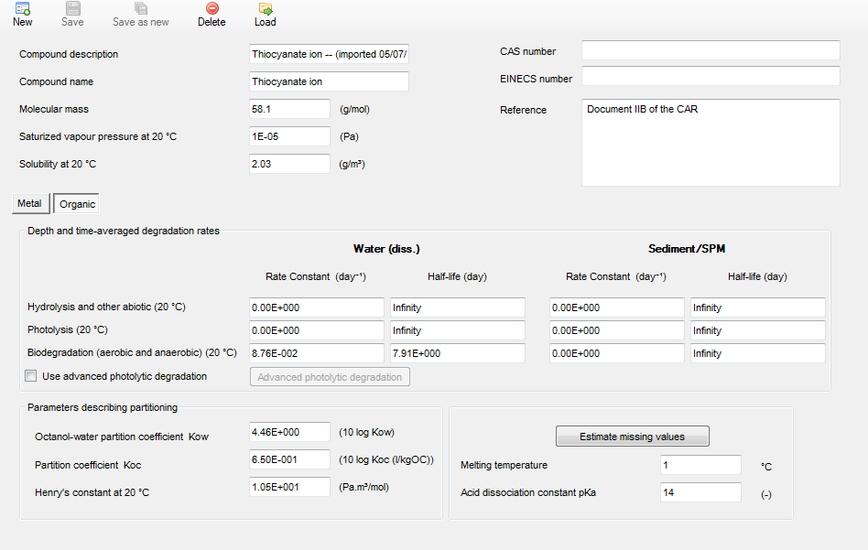
Environmental Emission Scenarios for Product Type 21: Biocides used as antifouling products
Freshwater calculator tool
Active Substance Parameters

Compound Name | Thiocyanate

